Formulas and Functions
Formulas

operators

 | 1 | + | 2 | =

result
arguments

Functions

 | 1 | 2 | 3

A formula is any calculation in Excel, like =B7+D7
A function is a pre-defined calculation =sum(B19:D19) is a formula

Functions
1 | 2 | 3 | 4 | Friday

Functions
=sum(a1:d1) adds
=product(a1:d1) multiplies
=average(a1:d1) finds the average figure
=max(a1:d1) finds the maximum figure
=min(a1:d1) finds the minimum figure
=count(a1:f1) counts the number of cells that contain numbers in a selection
=counta(a1:f1) counts the number of cells not empty in a selection

Errors!
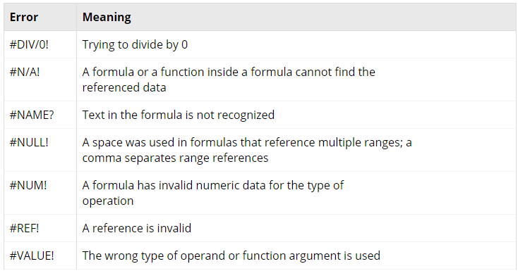

######### | Column not wide enough to display all data

Time and Date
Date1 | Date2 | days between
 |  | 0

Format | Date
Date
General

DOB | Age (whole number) | Age (with months) | Days Old

Excel calculates dates based on a serial number, beginning 1st January 1900 (=1)
Mac uses 1904 Date System (2nd Jan 1904)

