Notes
Instructions for completion of Planner postback templates

General
1 | There are two templates available for loading planner budgets:
 | MACCT_profile _by_version_or_per - This allows postings of a particular budget type (Original, Revised, Forecast) to a specific budget year using a budget profile value to distribute the budget.
 | MACCT_12 periods - This allows postings of a particular budget type (Original, Revised, Forecast) to a specific budget year on a period by period basis
 | The template in this workbook is for loading budgets for a particular budget year by period OR profile. i.e. first option.
2 | Always work from an empty template and use the 'Save as' Excel function to save the document that you wish to use to post Planner budgets.
3 | The hidden rows at the top of each template should never be unhidden and must never be changed.
4 | Data should be entered in the blue fields only.

MACCT_profile_by_version_or_period template.
1 | Open the empty 'Planner _postback_ma_profile_by_version_or_period.xlsm' template workbook.
2 | Save the workbook as an appropriate name, ensuring that the suffix is' .xlsm'.
3 | Log in to Excelerator. This will allow the account name field to be populated as you enter transactions.
4 | Enter the appropriate version in cell F16. For help in selecting the correct version, see the 'Version_definitions' tab. A version is for a specific budget type and year. For this template, separate sheets would be required for different budget types or years.
5 | On this template budgets can be entered on a period by period basis or by using a distribution profile. If a period is entered in the period column for any row you must not enter a value in the profile column.
6 | Complete the data for each row as appropriate. Profile definitions are shown on a separate tab in this workbook. If pasting from another document, be sure to use 'paste values' on the project column in particular.
7 | Post the sheet by selecting :
 | Add-Ins
 | Agresso Excelerator
 | Post
 | Current Sheet
8 | The Agresso Report Engine will run. If there are any errors e.g period completed where version completed, invalid value an appropriate error message will be displayed. The sheet should then be corrected and re-posted.
9 | If there are no errors a dialogue box will be displayed:

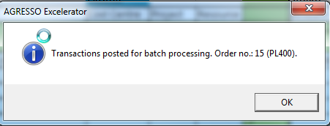

10 | Go to Agresso, maintenance of ordered reports and monitor the PL400 report against your user name until it has completed
11 | Double click on the report and check the report for errors.
12 | If required, run a Planner transaction enquiry to check the loaded budgets .

