How to use this workbook
Global Gambling Control Scorecard: Domain 1: Legal Status of Gambling and Regulatory Systems

This workbook contains information relating to seven areas which make up domain 1 within the Global Gambling Control Scorecard.
Data for each area is shown on a separate worksheet. Some areas have one question; others have multiple questions.

The first row on each worksheet shows the questions that were asked. Underneath the questions, the answers for all countries are shown. These are the data tables
Each worksheet has two ways that you can search and filter the questions or the responses. You may need to scroll left to see these.
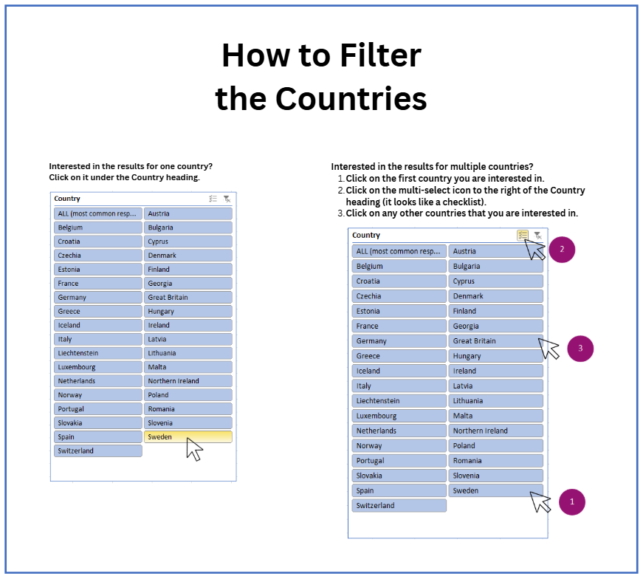
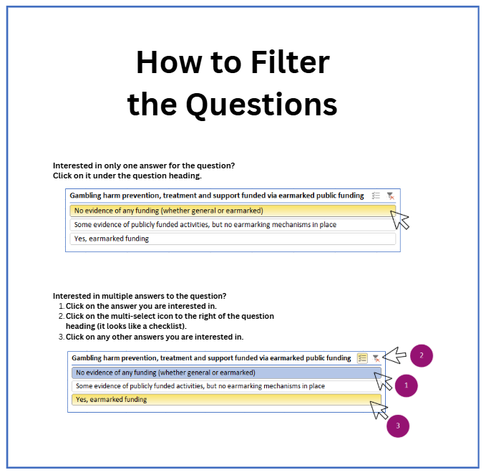

 | Search type 1: Countries
 | The first search box allows you to filter responses based on countries

 | If you are interested in just one country, you can click on that country in the search box
 | and the results for that country only will be displayed in the data tables

 | If you want to compare multiple countries, click on the first country you are interested in
 | then click the multi-select icon (see image on the left), then click on any other countries
 | you are interested in. The results for these countries only will be displayed in the data tables.

 | For most questions, we also show what was the most common response across all countries.
 | You can look at this by selecting ALL (most common) from the drop down menu.

 | Search type 2: Question responses

 | The second search box allows you to filter based on responses to questions

 | If you are interested in comparing responses to a question between countries, click on the
 | response in the search box and data tables will only show you countries with that response.

 | If you want to compare multiple responses, click on the first response you are interested in
 | then click the multi-select icon (see image on the left), then click on any other responses you want.
 | The data tables will only show results for countries with those responses.

 | For both search types - reset the data table by clicking the clear button: see below
