Discount Policy
Discount Policy | 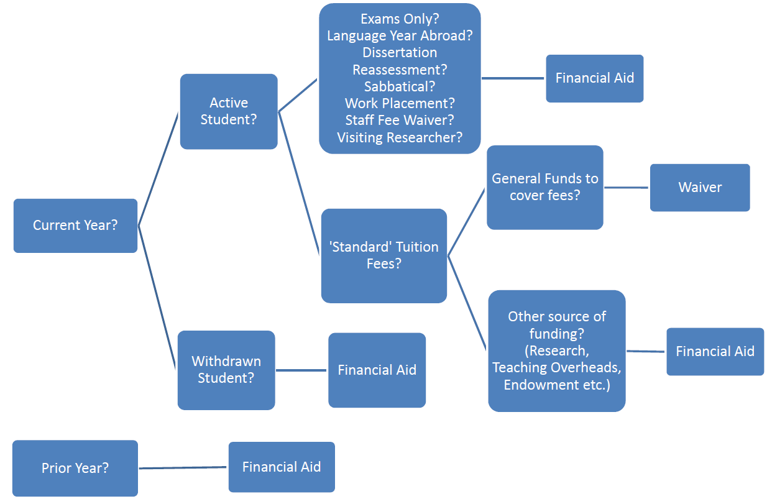 Fee Processing Workflow

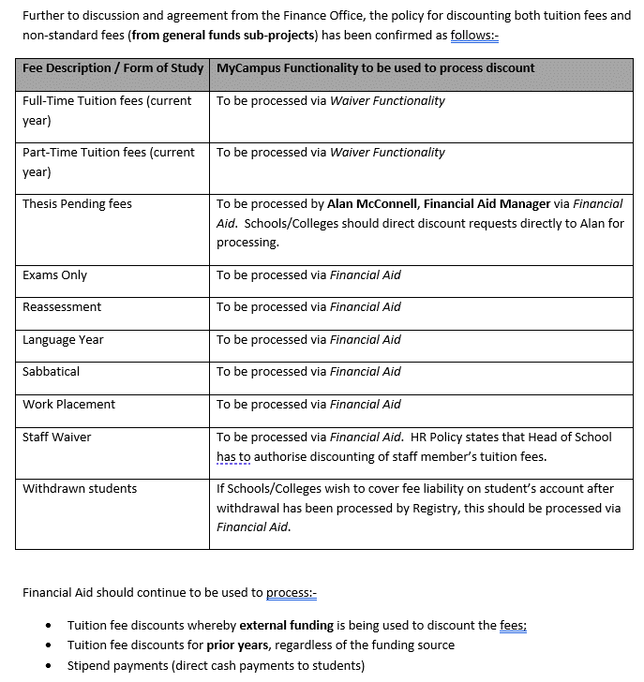

Neil Woodside
Neil

